Self Assessment Tool
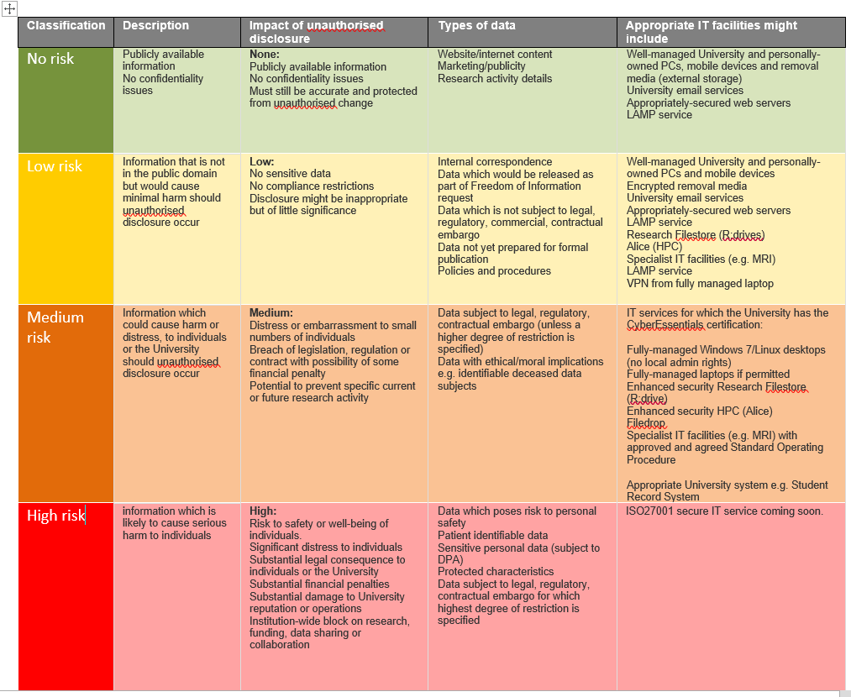
Self-Assessment Tool

 | Self Assessment: On Data being processed
 | Is the data pseudonymised/coded so that individuals are not directly identifiable? | PLEASE SELECT
 | If the data is pseudonymised/coded, please specify the method of pseudonymisation that you are using: | PLEASE SELECT
 | Self Assessment: Your Opinion
 | Would the data subject be surprised to find out that their personal data collected for healthcare purposes were to be used in this research project? | PLEASE SELECT
 | New Kind of Processing Operations: Are the proposed processing operations of a new kind where no prior DPIA has been carried out? | PLEASE SELECT
 | From your own assessment of your research project, do you believe that the project poses a high risk to the fundamental rights and privacy of individuals involved? (A classification of risk is provided below as a guidance) | PLEASE SELECT
 | What factors justify your response

 | On the basis of your responses risk-rate the privacy impact of your project:

Definitions
DEFINITIONS (in alphabetical order)
Anonymised data: is Personal Data that has had sufficient identifiers removed so that no individual can be identified from the data (whether directly or indirectly) by any means or by any person. Data that are fully and truly irreversibly anonymised (i.e., data from which no individual can be identified) fall outside the scope of the GDPR. Please see guidance by DPC for further on how to anonymise effectively.
Biometric data: Personal data resulting from a biometric process. This includes samples, models, fingerprints, facial images similarity scores and all verification or identification data excluding the individual's name and demographics which allow or confirm the unique identification of that individual.
Data Concerning Health: Personal data related to the physical or mental health of a natural person including the provision of healthcare services, which reveals information about his or her health status. This includes all data relating to the health of the individual relating to the past, current or future physical or mental health of that person, information collected during the course of or the provision of healthcare services, a number, symbol given to that person to uniquely identify them, information derived from the testing or examination of a body part or bodily substance, including from genetic data and biological samples’ and any information on for example, a disease, disability, disease risk, medical history, clinical treatment or physiological or biomedical state of the data subject independent of its source, for example from a physician or other health professional, a hospital or medical dev ice or an in vitro diagnostic test.
Data concerning vulnerable data subjects : the processing of this type of data is a criterion because of the increased power imbalance between the data subjects and the data controller, meaning the individuals may be unable to easily consent to, or oppose, the processing of their data, or exercise their rights. Vulnerable data subjects may include children (they can be considered as not able to knowingly and thoughtfully oppose or consent to the processing of their data), employees , more vulnerable segments of the population requiring special protection (mentally ill persons, asylum seekers, or the elderly, patients, etc.), and in any case where an imbalance in the relationship between the position of the data subject and the controller can be identified. This is the definition as provided by the WP29 Group (predecessor to the EDPB)
Data Controller – The Data Controller is normally the institution(s) of the researcher(s) who determine(s) the purpose and the manner by which Personal Data is processed for the purpose of a research project. This commonly coincides with the institution of the researcher who conceives a research idea and generates the project plan.
In other words, the Data Controller decides ‘why’ and ‘how’ the Personal Data should be processed.
Control, rather than possession, of Personal Data is the key factor in determining who the Data Controller is.
If you jointly design the research project, with one or more other entities you might be a joint Controller. Joint Control does not mean 50/50. It can be as little as 10/90. There can be multiple joint Controllers as is common on EU funded projects.
Data Processor - A Data Processor is a separate legal entity/individual which processes Personal Data on behalf of and under the instruction of the Controller. The existence of a Processor depends on a decision taken by the Controller to delegate all or part of the processing activities to an external Institution.
Genetic Data: Personal data relating to the inherited or acquired genetic characteristics of a natural person which give unique information about the physiology or the health of that natural person and which result, in particular, from an analysis of a biological sample from the individual ( and in particular DNA or RAN analysis or from the analysis of another element enabling equivalent information to be obtained.)
For example: In some clinical trials, samples are taken from the subjects or patients in order to characterise their genetic profile and to use this information to correlate sub-populations of patients responding to the treatment to a specific genetic profile, which then may be studied and validated as a biomarker.
Personal data: means any information relating to an identified or identifiable natural person ("Data Subject"), where the Data Subject can be identified or who is identifiable, directly from the information in question; or can be indirectly identified from that information in combination with other information.
Pseudonymised data: Personal Data that can no longer be attributed to a specific Data Subject without the use of additional information (i.e. a key/code). Such additional information must be kept separate and technical and organisational measures (TOMs) for the protection of the data should be in place.
However, Pseudonymised data are still treated as Personal Data because they enable the identification of individuals (albeit via a key). As such, Pseudonymised Data falls within the scope of the GDPR. Where a pseudonym is used, it is often possible to identify the individual from underlying or related data. Please see DPC guidance on anonymisation and pseudonymisation for further details.
Sensitive Personal Data or special category data are Personal Data, revealing racial or ethnic origin, political opinions, religious or philosophical beliefs, trade-union membership; data concerning health or sex life and sexual orientation; genetic data or biometric data for the purpose of uniquely identifying an individual. Data relating to criminal offences and convictions are addressed separately (as criminal law lies outside the EU's legislative competence) but should be considered as higher risk data.

